Report
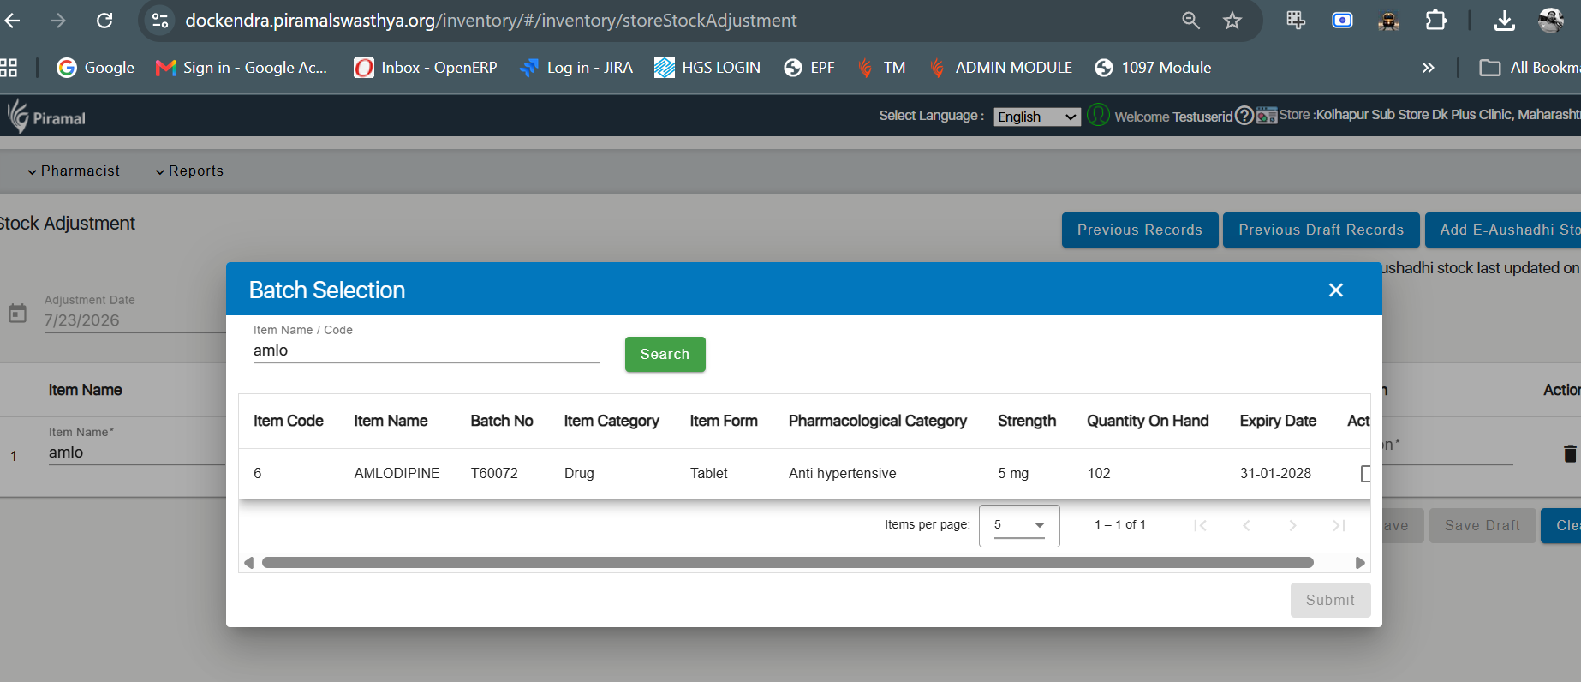
Sl No | Date | Facility Name | Item Name | Item Category | Opening Stock | Quantity Received | Quantity Dispensed | Adjustment Receipt | Adjustment Issue | Closing Stock | comment
35 | 22-07-2026 | KOLHAPUR Sub Store DK PLUS CLINIC, Maharashtra | AMLODIPINE | Drug | 112 | 9500 | 10 | 0 | 0 | 102 | This report is correct

