Report
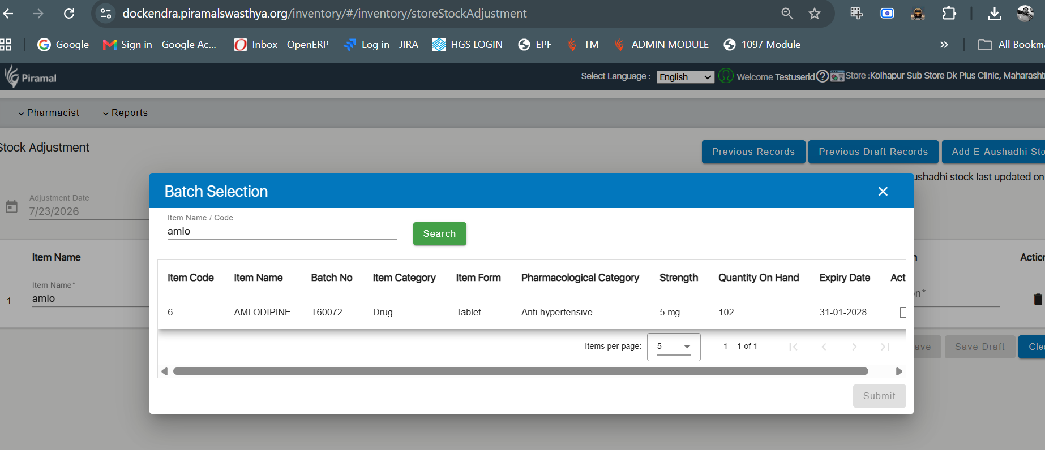
Sl No | Month | Year | Facility Name | Item Name | Item Category | Batch No | Unit Cost Price | Expiry Date | Opening Stock | Quantity Received | Dispensed Quantity | Adjustment Receipt | Adjustment Issue | Closing Stock | Item Entered Date | comment
35 | Jul | 2026 | KOLHAPUR Sub Store DK PLUS CLINIC, Maharashtra | AMLODIPINE | Drug | AAV-2503 | 0 | 31-08-2027 | 513 | 9000 | 513 | 0 | 0 | 1382 | 08-12-2025 | But this one is not in current stock
133 | Jul | 2026 | KOLHAPUR Sub Store DK PLUS CLINIC, Maharashtra | AMLODIPINE | Drug | T60072 | 0 | 31-01-2028 | 0 | 500 | 398 | 0 | 0 | 102 | 09-07-2026 | Showing correct stock

